Pivot Tables
...
Row Labels | Sum of Book Price | Total Books |  | Row Labels | Count of Book Title
Eric Hill | 76
duopress labs, Julissa Mora | 69
School Zone Publishing | 68
Bill Martin Jr., John Archambault | 56
Scholastic | 54
Taylor Jenkins Reid | 40
Sherri Duskey Rinker | 27
Price Vs Rating
 | Average of Rating
12.79 | 4.8
8.89 | 4.6
48.77 | 4.8
11.56 | 4.8
11.83 | 4.5
11.98 | 4.5
13.79 | 4.8
12.19 | 4.9
4.94 | 4.9
4.32 | 4.9
19.5 | 4.6
20.98 | 4.7
11.99 | 4.8
20.99 | 4.7
11.4 | 4.7
5.99 | 4.8
2.88 | 4.8
20.63 | 4.6
16.99 | 4.8
23.99 | 4.4
12.15 | 4.8
5.36 | 4.9
3.78 | 4.9
25.97 | 4.9
45.22 | 4.9
5.14 | 4.7
13.36 | 4.4
4.73 | 4.9
21 | 4.4
18.48 | 4.6
20.11 | 4.7
4.66 | 4.8
5.99 | 4.8
5.65 | 4.8
6.94 | 4.8
19.89 | 4.5
12.99 | 4.6
7.99 | 4.7
5.37 | 4.9
4.76 | 4.9
4.19 | 4.8
12.99 | 4.6
12.89 | 4.6
18.42 | 4.1
15.59 | 4.7
12.69 | 4.6
9.86 | 4.4
15.37 | 4.6
11.2 | 4.8
5.67 | 4.7
...
Wendy Loggia | 19
Leigh Olsen | 14 |  |  |  |  | Row Labels | Average of Book Price | Average of Rating | Row Labels | Average of Book Price | Average of Rating
 |  |  |  |  |  | A Court of Mist and Fury (A Court of Thorns and Roses, 2) | $12.8 | $4.8 | A Court of Mist and Fury (A Court of Thorns and Roses, 2) | 12.79 | 4.8
Average Book Price by Category
 | Total
Autobiography | $31.50
Childrens, Young Adult, Fantasy, Science Fiction &amp; Horror | $45.22
Fantasy, Romance | $48.77
Nonfiction, Politics | $27.43
Nonfiction, Self Help, Psychology, Business, Leadership, Personal Development | $21.00
 |  |  |  |  |  | A Court of Thorns and Roses (A Court of Thorns and Roses, 1) | $8.9 | $4.6 | A Court of Thorns and Roses (A Court of Thorns and Roses, 1) | 8.89 | 4.6
Average Book Price by Price Tier
 | Total
Budget | $6.52
Moderate | $15.97
Premium | $35.78
Average Rating by Month
 |  |  |  |  |  | A Court of Thorns and Roses Paperback Box Set (5 books) | $48.8 | $4.8 | A Court of Thorns and Roses Paperback Box Set (5 books) | 48.77 | 4.8
 |  |  |  |  |  | A Court of Wings and Ruin (A Court of Thorns and Roses, 3) | $11.6 | $4.8 | A Court of Wings and Ruin (A Court of Thorns and Roses, 3) | 11.56 | 4.8
 |  |  |  |  |  | A Little Life | $11.8 | $4.5 | A Little Life | 11.83 | 4.5
 |  |  |  |  |  | All the Light We Cannot See: A Novel | $12.0 | $4.5 | All the Light We Cannot See: A Novel | 11.98 | 4.5
 |  |  |  |  |  | Atomic Habits: An Easy & Proven Way to Build Good Habits & Break Bad Ones | $13.8 | $4.8 | Atomic Habits: An Easy & Proven Way to Build Good Habits & Break Bad Ones | 13.79 | 4.8
 |  |  |  |  |  | Balloons over Broadway: The True Story of the Puppeteer of Macy's Parade (Bank Street College of Education Flora Stieglitz St | $12.2 | $4.9 | Balloons over Broadway: The True Story of the Puppeteer of Macy's Parade (Bank Street College of Education Flora Stieglitz St | 12.19 | 4.9
 |  |  |  |  |  | Brown Bear, Brown Bear, What Do You See? | $4.9 | $4.9 | Brown Bear, Brown Bear, What Do You See? | 4.94 | 4.9
 |  |  |  |  |  | Chicka Chicka Boom Boom (Board Book) | $4.3 | $4.9 | Chicka Chicka Boom Boom (Board Book) | 4.32 | 4.9
 |  |  |  |  |  | Demon Copperhead: A Pulitzer Prize Winner | $19.5 | $4.6 | Demon Copperhead: A Pulitzer Prize Winner | 19.5 | 4.6
 |  |  |  |  |  | Dirty Thirty (30) (Stephanie Plum) | $21.0 | $4.7 | Dirty Thirty (30) (Stephanie Plum) | 20.98 | 4.7
 |  |  |  |  |  | Don't Let the Pigeon Drive the Sleigh! | $12.0 | $4.8 | Don't Let the Pigeon Drive the Sleigh! | 11.99 | 4.8
 |  |  |  |  |  | Elon Musk | $21.0 | $4.7 | Elon Musk | 20.99 | 4.7
 |  |  |  |  |  | First Little Readers Parent Pack: Guided Reading Level A: 25 Irresistible Books That Are Just the Right Level for Beginning R | $11.4 | $4.7 | First Little Readers Parent Pack: Guided Reading Level A: 25 Irresistible Books That Are Just the Right Level for Beginning R | 11.4 | 4.7
 |  |  |  |  |  | Five Silly Turkeys | $6.0 | $4.8 | Five Silly Turkeys | 5.99 | 4.8
 |  |  |  |  |  | Flash Cards: Sight Words | $2.9 | $4.8 | Flash Cards: Sight Words | 2.88 | 4.8
Average Rating by Price Tier
 | Total
Budget | 4.76
Moderate | 4.62
Premium | 4.68
Reviews by Reviewer Rating
 |  |  |  |  |  | Forever Strong: A New, Science-Based Strategy for Aging Well | $20.6 | $4.6 | Forever Strong: A New, Science-Based Strategy for Aging Well | 20.63 | 4.6
Top 5 Expensive books
 | Total
Autobiography | $31.50
Childrens, Young Adult, Fantasy, Science Fiction &amp; Horror | $45.22
Fantasy, Romance | $48.77
Nonfiction, Politics | $27.43
Nonfiction, Self Help, Psychology, Business, Leadership, Personal Development | $21.00
Books by Price Tier
 | Total
Budget | 45
Moderate | 50
Premium | 5
 |  |  |  |  |  | Fourth Wing (The Empyrean, 1) | $17.0 | $4.8 | Fourth Wing (The Empyrean, 1) | 16.99 | 4.8
 |  |  |  |  |  | Friends, Lovers, and the Big Terrible Thing: A Memoir | $24.0 | $4.4 | Friends, Lovers, and the Big Terrible Thing: A Memoir | 23.99 | 4.4
 |  |  |  |  |  | From Crook to Cook: Platinum Recipes from Tha Boss Dogg's Kitchen (Snoop Dogg Cookbook, Celebrity Cookbook with Soul Food Rec | $12.2 | $4.8 | From Crook to Cook: Platinum Recipes from Tha Boss Dogg's Kitchen (Snoop Dogg Cookbook, Celebrity Cookbook with Soul Food Rec | 12.15 | 4.8
 |  |  |  |  |  | Goodnight Moon | $5.4 | $4.9 | Goodnight Moon | 5.36 | 4.9
 |  |  |  |  |  | Goodnight, Goodnight Construction Site (Board Book for Toddlers, Children's Board Book) | $3.8 | $4.9 | Goodnight, Goodnight Construction Site (Board Book for Toddlers, Children's Board Book) | 3.78 | 4.9
 |  |  |  |  |  | Harry Potter and the Prisoner of Azkaban (Harry Potter, Book 3) (MinaLima Edition) | $26.0 | $4.9 | Harry Potter and the Prisoner of Azkaban (Harry Potter, Book 3) (MinaLima Edition) | 25.97 | 4.9
...
Row Labels | Sum of Book Price | Total Books |  | Row Labels | Count of Book Title
 |  |  | 0
...
Average Rank by Publication Year
...
Top 10 Authors by Total Rating
 | Total
Sandra Boynton | 9.6
J.K. Rowling | 9.8
Bill Martin Jr. | 9.8
Adam Wallace | 14.4
Sarah J. Maas | 23.6
...
Num of books by Publication year
...
Num of books by Rating
...
Top Authors by Highest Rank
 | Total
Ann Whitford Paul | 82
Eric Hill | 76
duopress labs, Julissa Mora | 69
School Zone Publishing | 68
Bill Martin Jr., John Archambault | 56
Scholastic | 54
Taylor Jenkins Reid | 40
Sherri Duskey Rinker | 27
Wendy Loggia | 19
Leigh Olsen | 14
...
Average Rank by monthl
...

Home
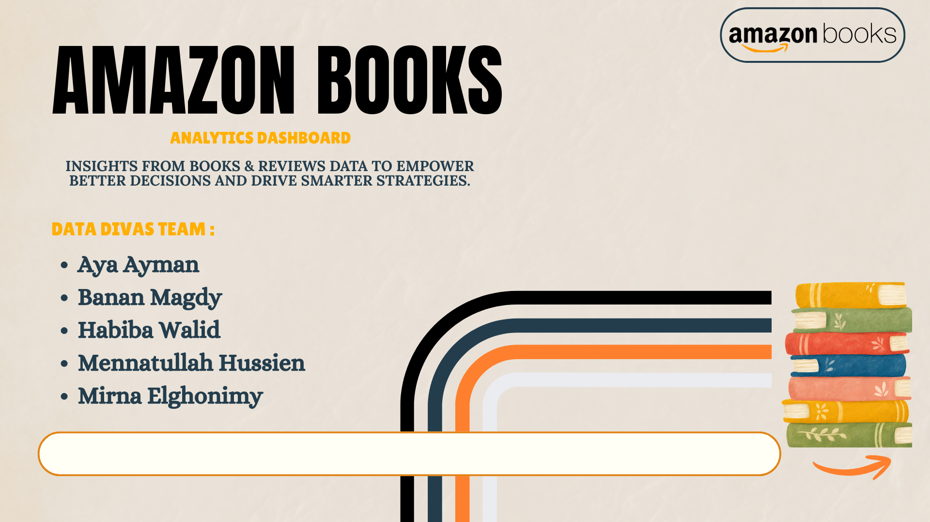

Home
Overview
Price & Rating
Reviews & Authors

Overview
Books Analytics Dashboard
Overview
Price & Rating
Reviews & Authors
Top 100 Best Selling Book Reviews

Price Tier
Total Books
Average Reviewers Rating
Total Reviews
Average Price
Total Authors
99
85
5
910
$12.71

Average Rating by Price Tier
 | Total
Budget | 4.76
Moderate | 4.62
Premium | 4.68
AVG Book Price by Price Tier
 | Total
Budget | $6.52
Moderate | $15.97
Premium | $35.78
Num of books by Publication year

Publication Year

Average Rating by Month

Price & Rating
Books Analytics Dashboard
Overview
Price & Rating
Reviews & Authors
Top 100 Best Selling Book Reviews

The Most Expensive Books
 | Total
Autobiography | $31.50
Childrens, Young Adult, Fantasy, Science Fiction &amp; Horror | $45.22
Fantasy, Romance | $48.77
Nonfiction, Politics | $27.43
Nonfiction, Self Help, Psychology, Business, Leadership, Personal Development | $21.00
Books by Price Tier
 | Total
Budget | 45
Moderate | 50
Premium | 5
Reviews by Reviewer Rating

Price Vs Rating
 | Average of Rating
12.79 | 4.8
8.89 | 4.6
48.77 | 4.8
11.56 | 4.8
11.83 | 4.5
11.98 | 4.5
13.79 | 4.8
12.19 | 4.9
4.94 | 4.9
4.32 | 4.9
19.5 | 4.6
20.98 | 4.7
11.99 | 4.8
20.99 | 4.7
11.4 | 4.7
5.99 | 4.8
2.88 | 4.8
20.63 | 4.6
16.99 | 4.8
23.99 | 4.4
12.15 | 4.8
5.36 | 4.9
3.78 | 4.9
25.97 | 4.9
45.22 | 4.9
5.14 | 4.7
13.36 | 4.4
4.73 | 4.9
21 | 4.4
18.48 | 4.6
20.11 | 4.7
4.66 | 4.8
5.99 | 4.8
5.65 | 4.8
6.94 | 4.8
19.89 | 4.5
12.99 | 4.6
7.99 | 4.7
5.37 | 4.9
4.76 | 4.9
4.19 | 4.8
12.99 | 4.6
12.89 | 4.6
18.42 | 4.1
15.59 | 4.7
12.69 | 4.6
9.86 | 4.4
15.37 | 4.6
11.2 | 4.8
5.67 | 4.7
...
Average Book Price by Category
 | Total
Autobiography | $31.50
Childrens, Young Adult, Fantasy, Science Fiction &amp; Horror | $45.22
Fantasy, Romance | $48.77
Nonfiction, Politics | $27.43
Nonfiction, Self Help, Psychology, Business, Leadership, Personal Development | $21.00

Higher-priced books don't necessarily receive higher ratings(R² = 0.0859)

Reviews & Authors
Books Analytics Dashboard
Overview
Price & Rating
Reviews & Authors
Top 100 Best Selling Book Reviews

Top Authors by Highest Rank
 | Total
Ann Whitford Paul | 82
Eric Hill | 76
duopress labs, Julissa Mora | 69
School Zone Publishing | 68
Bill Martin Jr., John Archambault | 56
Scholastic | 54
Taylor Jenkins Reid | 40
Sherri Duskey Rinker | 27
Wendy Loggia | 19
Leigh Olsen | 14
Average Rank by Month
Top 10 Authors by Total Rating
 | Total
Sandra Boynton | 9.6
J.K. Rowling | 9.8
Bill Martin Jr. | 9.8
Adam Wallace | 14.4
Sarah J. Maas | 23.6

Num of books by Rating
Average Rank by Publication Year

